HNGJUN36IF

HDFC Nifty G-Sec Jun 2036 Index Fund (An open ended target maturity scheme replicating/tracking NIFTY G-sec Jun 2036 Index. A Relatively High Interest Rate Risk and Relatively Low Credit Risk.) |  |  |  |  |  |  |  |  |  | Income | Hybrid
Portfolio as on 31-Aug-2023

 | ISIN | Coupon (%) | Name Of the Instrument | Industry+ /Rating | Quantity | Market/ Fair Value (Rs. in Lacs.) | % to NAV | Yield | ~YTC (AT1/Tier 2 bonds)
 | DEBT INSTRUMENTS
 | (a) Listed / awaiting listing on Stock Exchanges
 | Government Securities (Central/State)
| | IN0020220029 | 7.54 | 7.54% GOI MAT 230536^ | Sovereign | 56,505,000 | 57,866.83 | 97.08 | 7.3761
| | IN0020210152 | 6.67 | 6.67% GOI MAT 151235 | Sovereign | 120,000 | 114.38 | 0.19 | 7.3814
 | Sub Total |  |  |  |  | 57,981.21 | 97.27
 | Total |  |  |  |  | 57,981.21 | 97.27
 | MONEY MARKET INSTRUMENTS
 | TREPS - Tri-party Repo
 |  |  | TREPS - Tri-party Repo |  |  | 474.63 | 0.80 | 6.6189
 | Sub Total |  |  |  |  | 474.63 | 0.80
 | Total |  |  |  |  | 474.63 | 0.80
 | OTHERS
 | Net Current Assets
 |  |  | Net Current Assets |  |  | 1,154.19 | 1.93
 | Sub Total |  |  |  |  | 1,154.19 | 1.93
 | Total |  |  |  |  | 1,154.19 | 1.93

 | Grand Total |  |  |  |  | 59,610.03 | 100.00
| | Top Seven Holdings
 | + Industry Classification as recommended by AMFI
 | £ - Sponsor Company
 | ** Thinly Traded/ Non-Traded Securities (Equity) as on August 31, 2023
 | ^ Non-Traded Securities (Debt) as on August 31, 2023
 | # Non Sensex Scrips
 | @ Less than 0.01%.
 | ~ YTC i.e. Yield to Call is disclosed at security level only for Additional Tier 1 Bonds and Tier 2 Bonds issued by Banks as per AMFI Best Practices Notification 135/BP/91/2020-21 read with SEBI circular SEBI/HO/IMD/DF4/CIR/P/2021/034

 | Portfolio Classification by Industry(%)
 | G-Sec |  | 97.27
 | Cash, Cash Equivalents and Net Current Assets |  | 2.73

 | Exposure to top four sectors(%)
 | - |  | 97.27

 | Exposure to top seven groups(%)
 | Central Government of India |  | 97.27

 | Notes :
 | 1) NAV History
 | NAVs per unit (Rs.) | August 31, 2023 | July 31, 2023
 | Growth Option | 10.5289 | 10.4482
 | Growth Option - Direct Plan | 10.5402 | 10.4577

 | Dividend History - Dividend declared during the month ended August 31, 2023 : Nil

 | Bonus History - Bonus declared during the month ended August 31, 2023: Nil

 | 2) Total below investment grade or default provided for and its percentage to NAV : Nil
 | 3) Total investments in Foreign Securities / Overseas ETFs / ADRs / GDRs : Nil
 | 4) Repo in Corporate Debt : Nil
 | 5) Total outstanding exposure in Derivative Instruments as on Aug 31, 2023 : Nil
 | 6) Annualised Portfolio YTM : 7.37%
 | 7) Macaulay Duration : 3002.64 Days
 | 8) Residual Maturity (Average Portfolio Maturity-other than equity investments) : 4612.26 Days
 | 9) IDCW stands for Income Distribution cum Capital Withdrawal
 | 10) Riskometer based on Scheme Portfolio and Portfolio Benchmark "NIFTY G-Sec Jun 2036 Index" as on Aug 31, 2023

 | Scheme Riskometer:
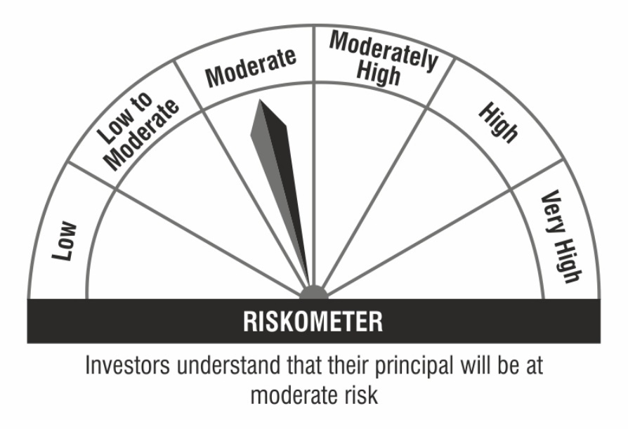

 | Benchmark Riskometer:

